both
 |  |  |  |  |  | const result = await prisma.order.groupBy({
SELECT u.id, u.name, SUM(o.qty) FROM "Order" o JOIN "User" u ON o.user_id = u.id |  |  |  |  |  | by: ['user_id'],
GROUP BY u.id, u.name
ORDER BY u.id ASC |  |  |  |  |  | _sum: {
 |  |  |  |  |  | qty:true |  | [
 |  |  |  |  |  | }, |  | {
 |  |  |  |  |  |  |  | "name": "Roberto", | 7
 |  |  |  |  |  | orderBy:{ |  | "orders": [
 |  |  |  |  |  | user_id: "asc" |  | {
 |  |  |  |  |  | } |  | "qty": 2,
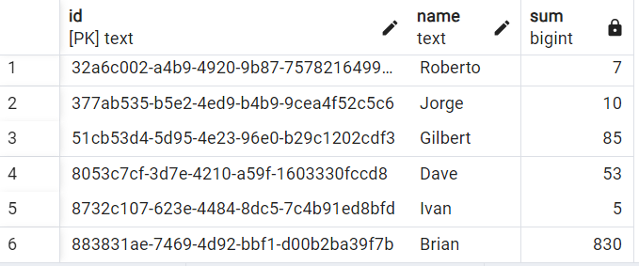
 |  |  |  |  |  | }); |  | "current_price": 80.2
 |  |  |  |  |  |  |  | },
 |  |  |  |  |  |  |  | {
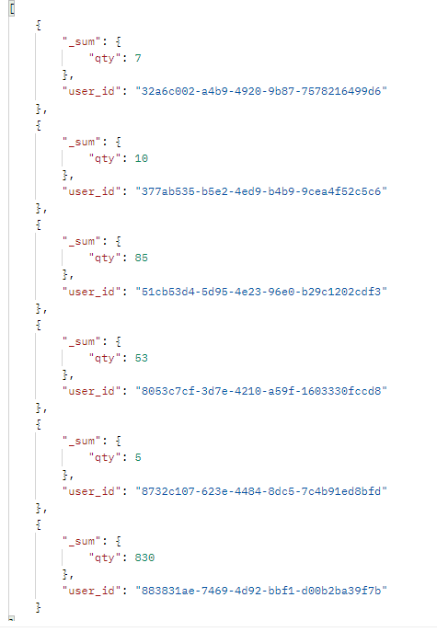
 |  |  |  |  |  |  |  | "qty": 2,
 |  |  |  |  |  |  |  | "current_price": 100
 |  |  |  |  |  |  |  | },
 |  |  |  |  |  |  |  | {
 |  |  |  |  |  |  |  | "qty": 3,
 |  |  |  |  |  |  |  | "current_price": 100
 |  |  |  |  |  |  |  | }
 |  |  |  |  |  |  |  | ]
 |  |  |  |  |  |  |  | },
 |  |  |  |  |  |  |  | {
 |  |  |  |  |  |  |  | "name": "Jorge", | 10
 |  |  |  |  |  |  |  | "orders": [
 |  |  |  |  |  |  |  | {
 |  |  |  |  |  |  |  | "qty": 1,
 |  |  |  |  |  |  |  | "current_price": 100.36
 |  |  |  |  |  |  |  | },
 |  |  |  |  |  |  |  | {
 |  |  |  |  |  |  |  | "qty": 3,
 |  |  |  |  |  |  |  | "current_price": 100
 |  |  |  |  |  |  |  | },
SELECT u.id, u.name, SUM(o.qty*o.current_price) FROM "Order" o JOIN "User" u ON o.user_id = u.id |  |  |  |  |  |  |  | {
GROUP BY u.id, u.name |  |  |  |  |  |  |  | "qty": 6,
ORDER BY u.id ASC |  |  |  |  |  |  |  | "current_price": 100
 |  |  |  |  |  |  |  | }
 |  |  |  |  |  |  |  | ]
 |  |  |  |  |  |  |  | },
 |  |  |  |  |  |  |  | {
 |  |  |  | Roberto | 660.4 |  |  | "name": "Gilbert", | 85
 |  |  |  | Jorge | 1000.36 |  | Wade0 | "orders": [
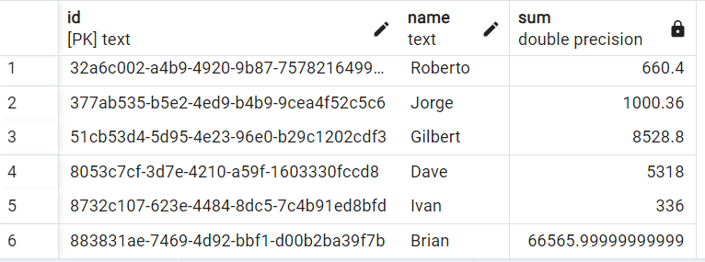
 |  |  |  | Gilbert | 8528.8 |  |  | {
 |  |  |  | Dave | 5318 |  | Seth0 | "qty": 80,
 |  |  |  | Ivan | 336 |  |  | "current_price": 100.36
 |  |  |  | Brian | 66566 |  | Riley0 | },
 |  |  |  |  |  |  |  | {
 |  |  |  |  |  |  |  | "qty": 4,
 |  |  |  |  |  |  | Dan0 | "current_price": 100
 |  |  |  |  |  |  | [ | },
 |  |  |  |  |  |  | { | {
 |  |  |  |  |  |  | "name": "Wade", | "qty": 1,
 |  |  |  |  |  |  | "grand_total": 0, | "current_price": 100
 |  |  |  |  |  |  | "payment_one": 0, | }
 | { | { | { |  |  |  | "payment_two": 0 | ]
 | "name": "Roberto", | "name": "Jorge", | "name": "Ivan", |  |  |  | }, | },
 | "grand_total": 660.4, | "grand_total": 1000.36, | "grand_total": 336, |  |  |  |  | {
 | "payment_one": 0, | "payment_one": 0, | "payment_one": 0, |  |  |  | { | "name": "Dave", | 53
 | "payment_two": 0 | "payment_two": 0 | "payment_two": 0 |  |  |  | "name": "Seth", | "orders": [
 | } | }, | }, |  |  |  | "grand_total": 0, | {
 | ] |  |  |  |  |  | "payment_one": 0, | "qty": 50,
 |  |  |  |  |  |  | "payment_two": 0 | "current_price": 100.36
 | { | { | { |  |  |  | }, | },
 | "name": "Gilbert", | "name": "Dave", | "name": "Brian", |  |  |  |  | {
 | "grand_total": 8528.8, | "grand_total": 5318, | "grand_total": 66565.99999999999, |  |  |  | { | "qty": 1,
 | "payment_one": 5000, | "payment_one": 5000, | "payment_one": 5000, |  |  |  | "name": "Riley", | "current_price": 100
 | "payment_two": 3528.7999999999993 | "payment_two": 318 | "payment_two": 61565.999999999985 |  |  |  | "grand_total": 0, | },
 | }, | }, | }, |  |  |  | "payment_one": 0, | {
 |  |  |  |  |  |  | "payment_two": 0 | "qty": 2,
 |  |  |  |  |  |  | }, | "current_price": 100
 |  |  |  |  |  |  |  | }
 |  |  |  |  |  |  | { | ]
 |  |  |  |  |  |  | "name": "Dan", | },
 |  |  |  |  |  |  | "grand_total": 0, | {
 |  |  |  |  |  |  | "payment_one": 0, | "name": "Ivan", | 5
 |  |  |  |  |  |  | "payment_two": 0 | "orders": [
 |  |  |  |  |  |  | }, | {
 |  |  |  |  |  |  |  | "qty": 5,
 |  |  |  |  |  |  |  | "current_price": 67.2
 |  |  |  |  |  |  |  | }
 |  |  |  |  |  |  |  | ]
 |  |  |  |  |  |  |  | },
 |  |  |  |  |  |  |  | {
 |  |  |  |  |  |  |  | "name": "Brian", | 830
 |  |  |  |  |  |  |  | "orders": [
 |  |  |  |  |  |  |  | {
 |  |  |  |  |  |  |  | "qty": 6,
 |  |  |  |  |  |  |  | "current_price": 80.2
 |  |  |  |  |  |  |  | },
 |  |  |  |  |  |  |  | {
 |  |  |  |  |  |  |  | "qty": 200,
 |  |  |  |  |  |  |  | "current_price": 80.2
 |  |  |  |  |  |  |  | },
 |  |  |  |  |  |  |  | {
 |  |  |  |  |  |  |  | "qty": 200,
 |  |  |  |  |  |  |  | "current_price": 80.2
 |  |  |  |  |  |  |  | },
 |  |  |  |  |  |  |  | {
 |  |  |  |  |  |  |  | "qty": 200,
 |  |  |  |  |  |  |  | "current_price": 80.2
 |  |  |  |  |  |  |  | },
 |  |  |  |  |  |  |  | {
 |  |  |  |  |  |  |  | "qty": 200,
 |  |  |  |  |  |  |  | "current_price": 80.2
 |  |  |  |  |  |  |  | },
 |  |  |  |  |  |  |  | {
 |  |  |  |  |  |  |  | "qty": 6,
 |  |  |  |  |  |  |  | "current_price": 80.2
 |  |  |  |  |  |  |  | },
 |  |  |  |  |  |  |  | {
 |  |  |  |  |  |  |  | "qty": 6,
 |  |  |  |  |  |  |  | "current_price": 80.2
 |  |  |  |  |  |  |  | },
 |  |  |  |  |  |  |  | {
 |  |  |  |  |  |  |  | "qty": 6,
 |  |  |  |  |  |  |  | "current_price": 80.2
 |  |  |  |  |  |  |  | },
 |  |  |  |  |  |  |  | {
 |  |  |  |  |  |  |  | "qty": 6,
 |  |  |  |  |  |  |  | "current_price": 80.2
 |  |  |  |  |  |  |  | }
 |  |  |  |  |  |  |  | ]
 |  |  |  |  |  |  |  | },
 |  |  |  |  |  |  |  | {
 |  |  |  |  |  |  |  | "name": "Riley",
 |  |  |  |  |  |  |  | "orders": []
 |  |  |  |  |  |  |  | },
 |  |  |  |  |  |  |  | {
 |  |  |  |  |  |  |  | "name": "Dan",
 |  |  |  |  |  |  |  | "orders": []
 |  |  |  |  |  |  |  | },
 |  |  |  |  |  |  |  | {
 |  |  |  |  |  |  |  | "name": "Seth",
 |  |  |  |  |  |  |  | "orders": []
 |  |  |  |  |  |  |  | },
 |  |  |  |  |  |  |  | {
 |  |  |  |  |  |  |  | "name": "Wade",
 |  |  |  |  |  |  |  | "orders": []
 |  |  |  |  |  |  |  | }
 |  |  |  |  |  |  |  | ]

count
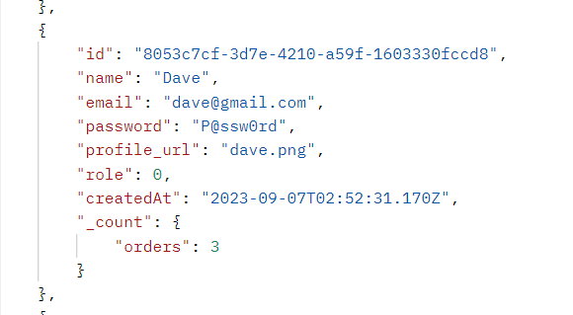
const getUsers = await prisma.user.findMany({
include:{
_count:{
select:{
orders:true
}
}
}
});

compute field
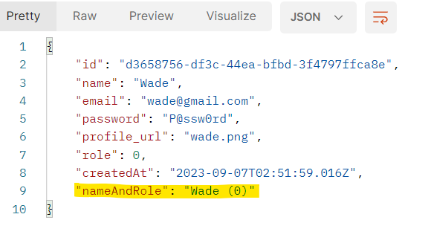
/// Compute Field
const prisma = new PrismaClient().$extends({
result: {
user: {
// Add a computed field called `nameAndAge` to the user
nameAndRole: {
needs: {
name: true,
role: true,
},
compute(user) {
return `${user.name} (${user.role})`;
},
},
},
},
});

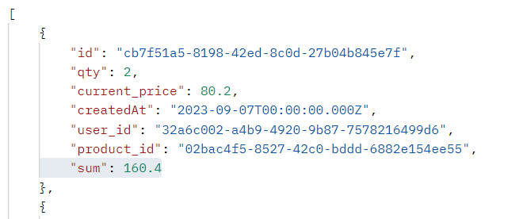

const prisma = new PrismaClient().$extends({
result: {
order: {
// Add a computed field called `sum` to the order
sum: {
needs: {
qty: true,
current_price: true,
},
compute(order) {
return order.current_price*order.qty;
},
},
},
},
});

mix_custom
User

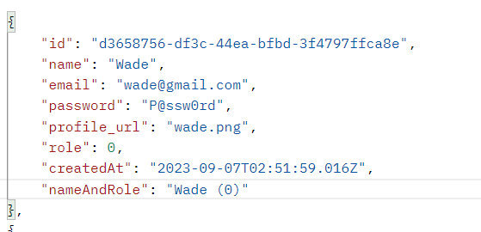
/// Compute Field
const prisma = new PrismaClient().$extends({
result: {
user: {
// Add a computed field called `nameAndAge` to the user
nameAndRole: {
needs: {
name: true,
role: true,
},
compute(user) {
return `${user.name} (${user.role})`;
},
},
},
},
model: {
user: {
// Create a custom method on `user`
async findManyByCustomerMethod(customParam:string) {
return prisma.user.findMany({
where: { email: { endsWith: `@${customParam}` } },
});
},
},
},
});

const users = await prisma.user.findManyByCustomerMethod("gmail.com");

